Sheet1
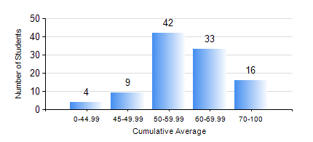
 |  |  | KWAME NKRUMAH UNIVERSITY OF SCIENCE AND TECHNOLOGY, KUMASI Department of Geomatic Engineering

 |  |  | BSC. GEOMATIC ENG.

 |  |  | COMPREHENSIVE RECORD OF EXAMINATION RESULTS

 |  |  | RESULTS OF YEAR 1 SECOND SEMESTER, 2022/2023 ACADEMIC YEAR

 | Sn | Course Code |  | Course Name | Credit Hours | Min. Mark | Max. Mark | Avg. Mark | Std. Dev. | No. Passed | No. Trailed | No. (Df) | No. (I) | No. (I*) | No. Tagged(I,I*,Df) | Total
 | 1. | EE 152 |  | BASIC ELECTRONICS | 2 | 23 | 88 | 46 | 10.66 | 90 | 14 | 0 | 0 | 0 | 0 | 104
 | 2. | ENGL 158 |  | COMMUNICATION SKILLS II | 2 | 30 | 88 | 66 | 11.72 | 103 | 1 | 0 | 0 | 0 | 0 | 104
 | 3. | GE 152 |  | REPRODUCTION CARTOGRAPHY | 3 | 40 | 91 | 61 | 10.53 | 104 | 0 | 0 | 0 | 0 | 0 | 104
 | 4. | GE 158 |  | INTRODUCTION TO INFORMATION TECHNOLOGY | 2 | 46 | 85 | 68 | 8.69 | 104 | 0 | 0 | 0 | 0 | 0 | 104
 | 5. | GE 162 |  | LARGE SCALE SURVEYING | 3 | 33 | 84 | 66 | 10.7 | 103 | 1 | 0 | 0 | 0 | 0 | 104
 | 6. | GE 192 |  | PRACTICAL TASK I | 3 | 45 | 83 | 66 | 7.94 | 102 | 0 | 2 | 0 | 0 | 2 | 104
 | 7. | MATH 152 |  | CALCULUS WITH ANALYSIS | 4 | 21 | 78 | 48 | 12.1 | 92 | 12 | 0 | 0 | 0 | 0 | 104

